EDA
Category Distribution
Payment Mode Distribution
1. Dataset Overview
 |  |  |  | 3. Payment Mode Distribution
 |  | 2. Category Distribution
Metric | Value
Total Records | 1,194
Total Columns | 20
Missing Values | 2390
Start Date | 2020-03-22
End Date | 2025-03-15
Categories | 0
State | 6

4. State Distribution |  |  | 5. Top Cities |  | 6. Sub-Category Distribution
State Distribution
6. Sub-Category Distribution
Top Cities

7. Order Amount Statistics

Metric | Formula
Average Amount | 5178.09
Minimum Amount | 508
Maximum Amount | 9992
Average Profit | 1348.99
Average Quantity | 10.67

Hypothesis Testing
Hypothesis Testing Summary Table | Column 1 | Column 2
Hypothesis | Metric Tested | Status
Product Concentration Effect | Sales by Product | ❌ Rejected
High Sales ≠ High Profit | Sales vs Profit | ✅ Supported
Regional Differences | Sales & Profit by Region | ✅ Supported
Seasonal Patterns | Monthly/Quarterly Sales | ✅ Supported
Category Dominance | Sales by Category | ❌ Rejected

Pivot Table 1: Product Concentration Effect
 |  |  | Hypothesis 2: High Sales Does Not Always Mean High Profit |  | Pivot Table 3: State-wise Sales & Profit to validate Regional Performance Differences.
 |  |  |  | Profit Margin% |  |  | Margin%
 |  |  |  | 25.29% |  |  | 25.66%
 |  |  |  | 28.56% |  |  | 28.29%
 |  |  |  | 28.45% |  |  | 24.56%
 |  |  |  | 26.27% |  |  | 27.30%
 |  |  |  | 26.26% |  |  | 24.47%
 |  |  |  | 27.83% |  |  | 25.49%
 |  |  |  | 28.53%
 |  |  |  | 23.51%
 |  |  |  | 22.58%
 |  |  |  | 25.82%
 |  |  |  | 25.13%
 |  |  |  | 25.08%
Hypothesis 4: Seasonal Sales Patterns Exist using your Month-wise Sales Pivot Table.
SUM of Amount vs. Month
 |  |  |  | Pivot Table 6: Category Performance
 |  |  |  |  |  | Margin%
 |  |  |  |  |  | 25.24%
 |  |  |  |  |  | 26.51%
 |  |  |  |  |  | 26.40%

KPI_Summary
KPI Cards Layout | Column 1
A | B
Total Sales | 6,182,639.00 | Sales KPI Dashboard
Total Profit | 1,610,697.00
Total Orders | 1,194.00
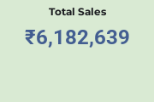
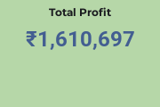
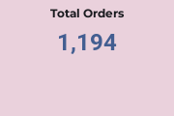
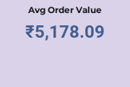
Avg Order Value | 5,178.09
Profit Margin % | 26.05

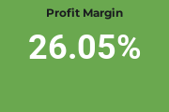
KPI | Value
💰 Total Sales | ₹6,182,639
📈 Total Profit | ₹1,610,697
📦 Total Orders | 1,194
🛒 Avg Order Value | ₹5,178.09
🎯 Profit Margin | 26.05%
Quick Business Insights

✅ Total Revenue generated: ₹6.18 Million

✅ Total Profit earned: ₹1.61 Million

✅ Average customer order size: ₹5,178

✅ Profitability level: 26.05% margin (healthy margin)

✅ Orders processed: 1,194

Professional KPI Card Formatting

For each KPI card:

Background color: Dark Blue (#1F4E78)
Font color: White
KPI Label: 10-12 pt Bold
KPI Value: 18-22 pt Bold
Center Align
Apply Thick Border
Increase row height to 40-50

